Approval and Documentation
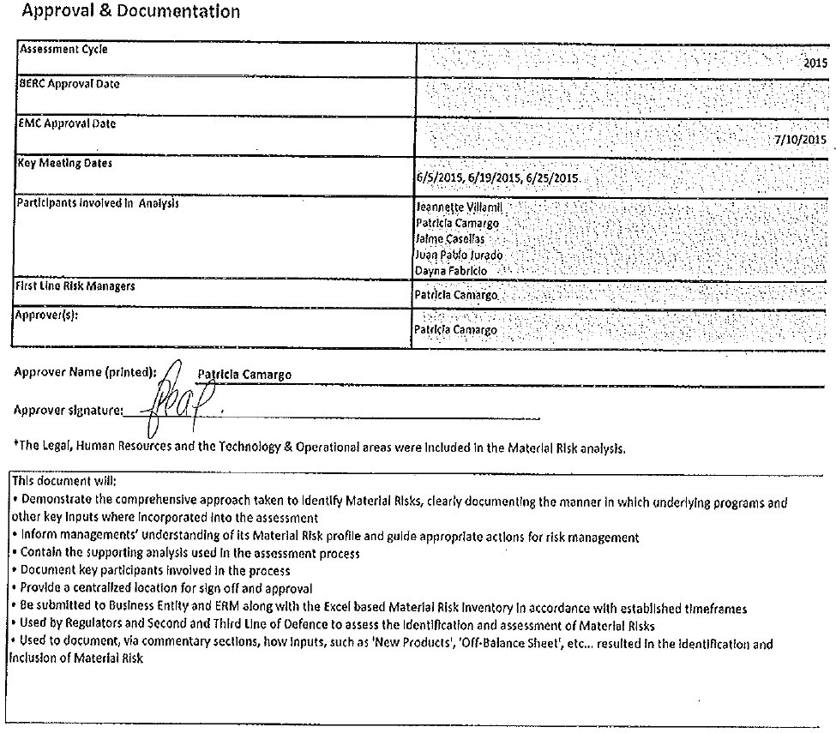
Approval & Documentation

Assessment Cycle |  | 2015
BERC Approval Date
EMC Approval Date |  | 2015-07-10
Key Meeting Dates |  | 6/5/2015, 6/19/2015, 6/25/2015
Participants involved in Analysis |  | Jeannette Villamil Patricia Camargo Jaime Casellas Juan Pablo Jurado Dayna Fabricio
First Line Risk Managers |  | Patricia Camargo
Approver(s): |  | Patricia Camargo

Approver Name (printed): | Patricia Camargo

Approver signature:________________________________________________________________

*The Legal, Human Resources and the Technology & Operational areas were included in the Material Risk analysis.

This document will:
• Demonstrate the comprehensive approach taken to identify Material Risks, clearly documenting the manner in which underlying programs and other key inputs where incorporated into the assessment • Inform managements’ understanding of its Material Risk profile and guide appropriate actions for risk management • Contain the supporting analysis used in the assessment process • Document key participants involved in the process • Provide a centralized location for sign off and approval • Be submitted to Business Entity and ERM along with the Excel based Material Risk Inventory in accordance with established timeframes • Used by Regulators and Second and Third Line of Defence to assess the Identification and assessment of Material Risks • Used to document, via commentary sections, how inputs, such as 'New Products', 'Off-Balance Sheet', etc... resulted in the identification and inclusion of Material Risk

